Sheet1
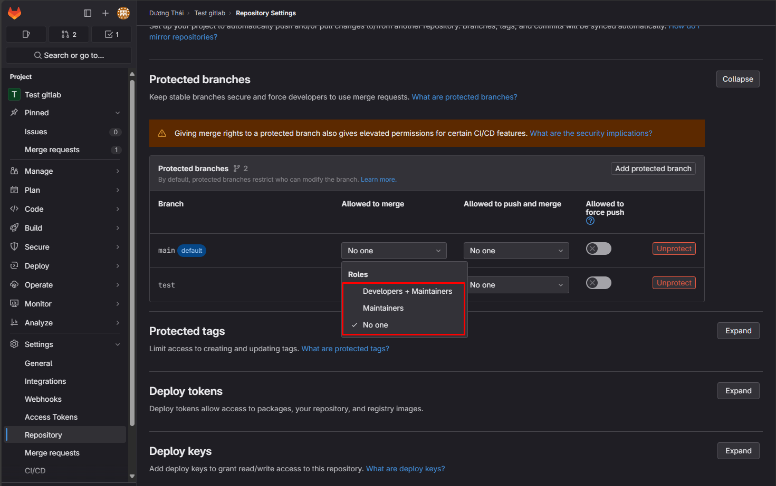
If you want to protect your branch, you want to restrict who can modify it and who can push or merge into it. in GitLab, and they allow you to do that.
First, you are going to go to the repository that has the branch you want to protect.
and you are going to the repository settings, and then scroll down to the Protected Branches section.
And as you can see here, we have two rules, which are 'allowed to merge' and 'allowed to push and merge'.

In this case, I want to protect the main branch.
and as you can see here, there are three options to choose from.
The first option is 'developers + maintainers', which means every developer and maintainer are able to merge to this branch through a merge request.
And the second option is'mainteners', which means only mainteners are able to merge to this branch through a merge request.
And the third option is 'no one', which means no one can merge to this branch through a merge request.

If you want to restrict who can push into your branch, you can choose from these options.
There are three options to choose from.
The first option is 'Developers plus Maintainers', which means every developer and maintainer can push to this branch.
And the second option is 'maintainers', which means only maintainers can push to this branch.
And the third option is 'no one', which means no one can direct push to this branch.

Sheet2
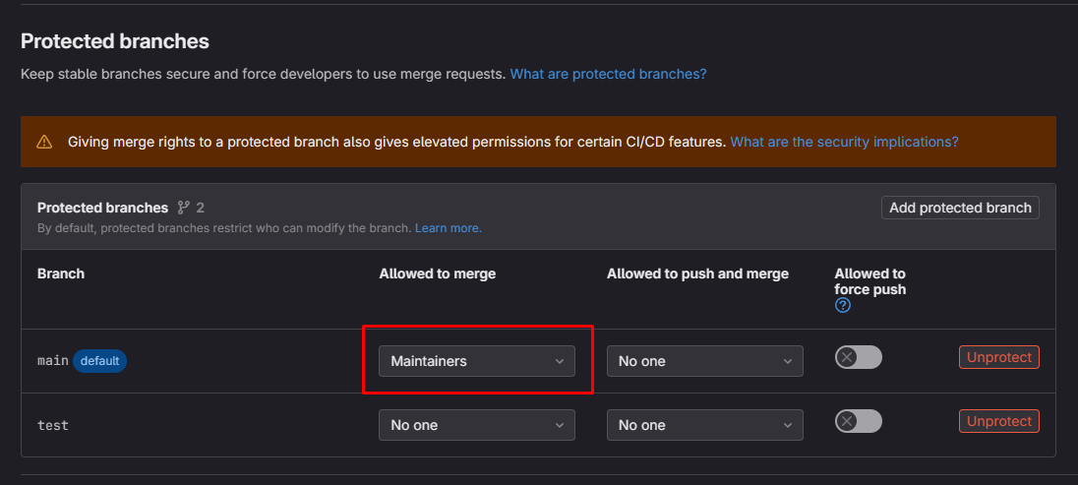
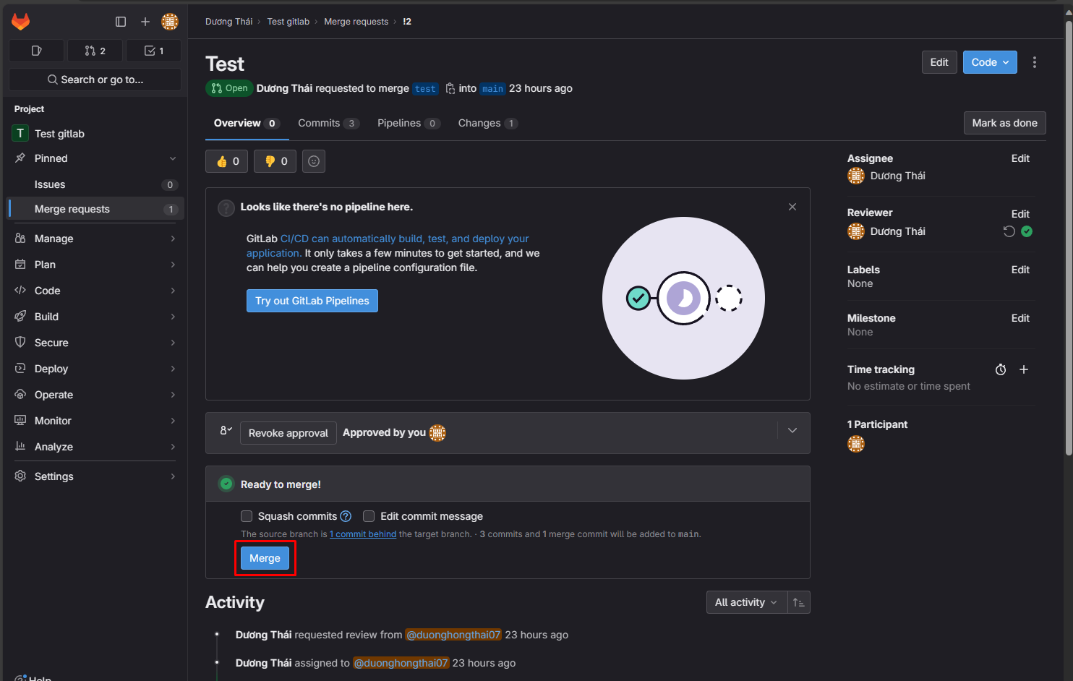
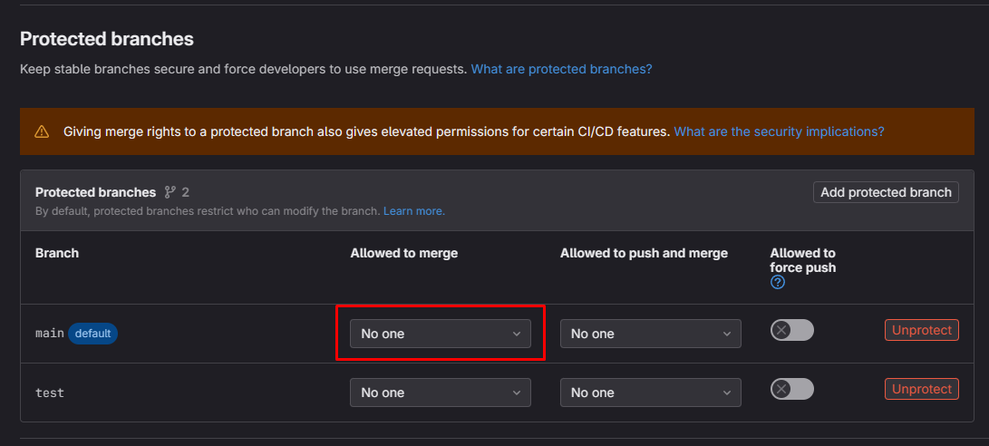
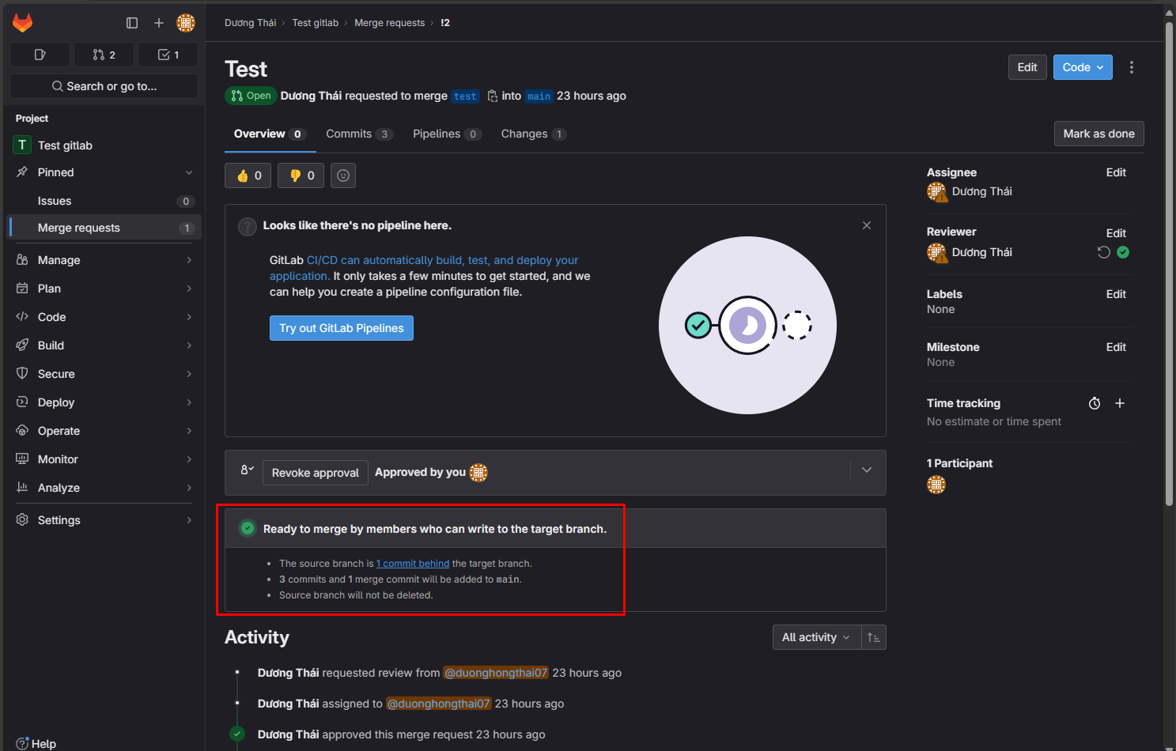
Let me try an example. First, I want to protect the main branch.
in the allowed-to-merge rule. I choose the maintainers option, which means only maintainers can merge to the main branch through a merge request.
And let's create a merge request. As you can see here, I've already had a merge request, and I will go to this request.
If you are allowed to merge to the main branch, you will see the merge button here.
What happens if you are not allowed to merge into the main branch?
I will choose the no-one option here. and let's see what happened.
will refresh the merge request. And as you can see, the merge button does not appear anymore.

